Lagrange Interpolation
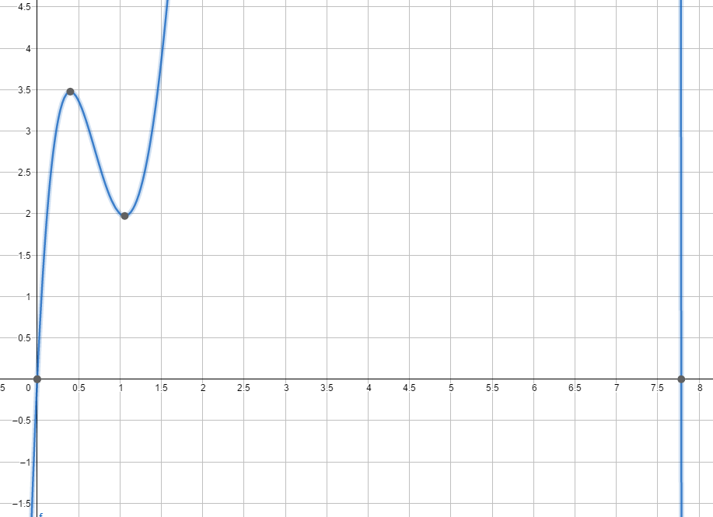
 | Lagrange Interpolation Using Newton's Divided Difference

 | x | y
 | 0 | 0
 | 1 | 2
 | 2 | 11
 | 3 | 40
 | 4 | 95
 | 5 | 204
 | 6 | 364
 | 7 | 419
 | 8 | 942
 | 9 | 1210
 | 10 | 1138

 | x | a0 | a1 | a2 | a3 | a4 | a5 | a6 | a7 | a8 | a9 | a10
x0 | 0 | 0 | 2.0 | 3.5 | 2.2 | -0.3 | 0.2 | -0.1 | 0.0 | 0.0 | 0.0 | 0.0
x1 | 1 | 2 | 9.0 | 10.0 | 1.0 | 0.9 | -0.4 | -0.1 | 0.2 | -0.1 | 0.0
x2 | 2 | 11 | 29.0 | 13.0 | 4.7 | -1.3 | -1.0 | 1.4 | -0.8 | 0.3
x3 | 3 | 40 | 55.0 | 27.0 | -0.5 | -6.4 | 7.4 | -4.0 | 1.4
x4 | 4 | 95 | 109.0 | 25.5 | -26.0 | 30.4 | -16.9 | 5.5
x5 | 5 | 204 | 160.0 | -52.5 | 95.5 | -54.0 | 16.1
x6 | 6 | 364 | 55.0 | 234.0 | -120.5 | 26.6
x7 | 7 | 419 | 523.0 | -127.5 | -14.2
x8 | 8 | 942 | 268.0 | -170.0
x9 | 9 | 1210 | -72.0
x10 | 10 | 1138

f(x)=2 x+3.5 (x^(2)-x)+2.2 (x^(3)-3 x^(2)+2 x)-0.3 (x^(4)-6 x^(3)+11 x^(2)-6 x)+0.2 (x^(5)-10 x^(4)+35 x^(3)-50 x^(2)+24 x)-0.1 (x^(6)-15 x^(5)+85 x^(4)-225 x^(3)+274 x^(2)-120 x)

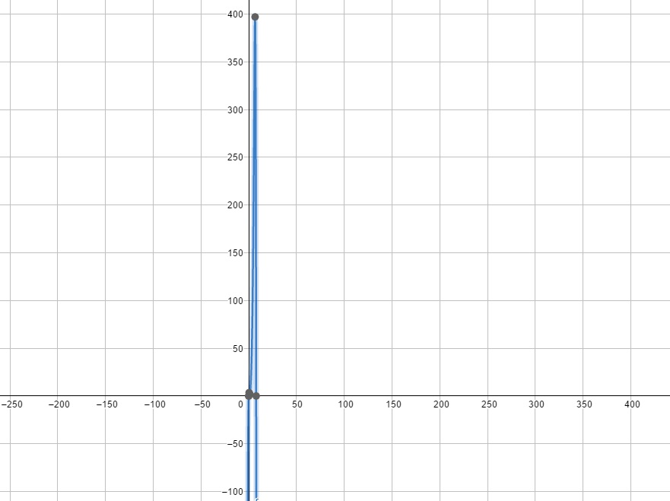

Zoom in

Natural Cubic Spline
Natural Cubic Spline

 |  | LHS |  |  |  |  |  |  |  |  |  |  | RHS
x | y | 1 | 0 | 0 | 0 | 0 | 0 | 0 | 0 | 0 | 0 | 0 | 0
0 | 0 | 1 | 4 | 1 | 0 | 0 | 0 | 0 | 0 | 0 | 0 | 0 | 7
1 | 2 | 0 | 1 | 4 | 1 | 0 | 0 | 0 | 0 | 0 | 0 | 0 | 20
2 | 11 | 0 | 0 | 1 | 4 | 1 | 0 | 0 | 0 | 0 | 0 | 0 | 26
3 | 40 | 0 | 0 | 0 | 1 | 4 | 1 | 0 | 0 | 0 | 0 | 0 | 54
4 | 95 | 0 | 0 | 0 | 0 | 1 | 4 | 1 | 0 | 0 | 0 | 0 | 51
5 | 204 | 0 | 0 | 0 | 0 | 0 | 1 | 4 | 1 | 0 | 0 | 0 | -105
6 | 364 | 0 | 0 | 0 | 0 | 0 | 0 | 1 | 4 | 1 | 0 | 0 | 468
7 | 419 | 0 | 0 | 0 | 0 | 0 | 0 | 0 | 1 | 4 | 1 | 0 | -255
8 | 942 | 0 | 0 | 0 | 0 | 0 | 0 | 0 | 0 | 1 | 4 | 1 | -340
9 | 1210 | 0 | 0 | 0 | 0 | 0 | 0 | 0 | 0 | 0 | 0 | 1 | 0
10 | 1138 | INVERSE
 |  | 1.00 | 0.00 | 0.00 | 0.00 | 0.00 | 0.00 | 0.00 | 0.00 | 0.00 | 0.00 | 0.00 |  | z0 | 0 | A0 | 0 | B0 | 1.8630459876 | C0 | 0 | D0 | 0.13695401235
b0 | 2 | -0.27 | 0.27 | -0.07 | 0.02 | -0.01 | 0.00 | 0.00 | 0.00 | 0.00 | 0.00 | 0.00 |  | z1 | 0.82172407412 | A1 | 2 | B1 | 8.107241358 | C1 | 0.41086203706 | D1 | 0.4818966049
b1 | 9 | 0.07 | -0.07 | 0.29 | -0.08 | 0.02 | -0.01 | 0.00 | 0.00 | 0.00 | 0.00 | 0.00 |  | z2 | 3.7131037035 | A2 | 11 | B2 | 27.041321914 | C2 | 1.8565518518 | D2 | 0.10212623472
b2 | 29 | -0.02 | 0.02 | -0.08 | 0.29 | -0.08 | 0.02 | -0.01 | 0.00 | 0.00 | 0.00 | 0.00 |  | z3 | 4.3258611118 | A3 | 40 | B3 | 52.727470988 | C3 | 2.1629305559 | D3 | 0.10959845621
b3 | 55 | 0.01 | -0.01 | 0.02 | -0.08 | 0.29 | -0.08 | 0.02 | -0.01 | 0.00 | 0.00 | 0.00 |  | z4 | 4.9834518491 | A4 | 95 | B4 | 102.38212747 | C4 | 2.4917259246 | D4 | 4.1261466071
b4 | 109 | 0.00 | 0.00 | -0.01 | 0.02 | -0.08 | 0.29 | -0.08 | 0.02 | -0.01 | 0.00 | 0.00 |  | z5 | 29.740331492 | A5 | 204 | B5 | 162.24401914 | C5 | 14.870165746 | D5 | -17.114184885
b5 | 160 | 0.00 | 0.00 | 0.00 | -0.01 | 0.02 | -0.08 | 0.29 | -0.08 | 0.02 | -0.01 | 0.01 |  | z6 | -72.944777816 | A6 | 364 | B6 | 53.141795977 | C6 | -36.472388908 | D6 | 38.330592931
b6 | 55 | 0.00 | 0.00 | 0.00 | 0.00 | -0.01 | 0.02 | -0.08 | 0.29 | -0.08 | 0.02 | -0.02 |  | z7 | 157.03877977 | A7 | 419 | B7 | 485.18879695 | C7 | 78.519389886 | D7 | -40.708186841
b7 | 523 | 0.00 | 0.00 | 0.00 | 0.00 | 0.00 | -0.01 | 0.02 | -0.08 | 0.29 | -0.07 | 0.07 |  | z8 | -87.210341273 | A8 | 942 | B8 | 307.6030162 | C8 | -43.605170636 | D8 | 4.0021544318
b8 | 268 | 0.00 | 0.00 | 0.00 | 0.00 | 0.00 | 0.00 | -0.01 | 0.02 | -0.07 | 0.27 | -0.27 |  | z9 | -63.197414682 | A9 | 1210 | B9 | -50.934195106 | C9 | -31.598707341 | D9 | 10.532902447
b9 | -72 | 0.00 | 0.00 | 0.00 | 0.00 | 0.00 | 0.00 | 0.00 | 0.00 | 0.00 | 0.00 | 1.00 |  | z10 | 0

{
0.14x^3 + 1.86x 0$≤x≤1$
0.48x^3 - 1.03x^2 + 8.73x - 6.18 1$≤x≤2$
0.1x^3 + 1.26x^2 + 20.8x - 36.44 2$≤x≤3$
0.11 x^3 + 1.17x^2 + 42.74x - 101.72 3$≤x≤4$
4.13x^3 - 47.07x^2 + 280.7x - 539 4$≤x≤5$
-17.11x^3 + 271.52x^2 - 1269.71x + 1903.3 5$≤x≤6$
38.33x^3 - 726.41x^2 + 4630.42x - 9547.04 6$≤x≤7$
-40.71x^3 + 933.43x^2 - 6598.46x + 14833.68 7$≤x≤8$
4x^3 - 139.61x^2 + 1773.36x - 6357.84 8$≤x≤9$
10.53x^3 - 252.71x^2 + 1939.06x - 3448.4 9$≤x≤10$
h0 | 1
h1 | 1
h2 | 1
h3 | 1
h4 | 1
S(x)
h5 | 1
h6 | 1
h7 | 1
h8 | 1
h9 | 1

Least Squares Approximation NLP
Least Squares Approximation Nonlinear Programming

x | y | function | a*x^2+b*x+c | a | b | c | quadratic | 2-norm error
0 | 0 |  |  | 16.857739677 | -38.195754128 | 3.2312303987 | 3.2312303987 | 10.44084989
1 | 2 |  |  |  |  |  | -18.106784052 | 404.28276492
2 | 11 |  |  |  |  |  | -5.7293191488 | 279.87011918
3 | 40 |  |  |  |  |  | 40.363625108 | 0.13222321945
4 | 95 |  |  |  |  |  | 120.17204872 | 633.63203674
5 | 204 |  |  |  |  |  | 233.69595168 | 881.84954647
6 | 364 |  |  |  |  |  | 380.935334 | 286.80553783
7 | 419 |  |  |  |  |  | 561.89019568 | 20417.608021
8 | 942 |  |  |  |  |  | 776.5605367 | 27370.216015
9 | 1210 |  |  |  |  |  | 1024.9463571 | 34244.850756
10 | 1138 |  |  |  |  |  | 1307.0476568 | 28577.110277

 |  |  |  |  |  |  |  | 113106.79815

Least Squares Approximation LP
Least Squares Approximation Linear Programming

x | y | function | a*x^2+b*x+c | a | b | c | quadratic | 2-norm error
0 | 0 |  |  | 13.152777778 | 16.069444444 | -168.98611111 | -168.98611111 | 28556.305748 | C1 | -338
1 | 2 |  |  |  |  |  | -139.76388889 | 20097.000193 | C2 | -311
2 | 11 |  |  | r |  |  | -84.236111111 | 9069.9168596 | C3 | -264
3 | 40 |  |  | 168.98611111 |  |  | -2.4027777778 | 1797.9955633 | C4 | -211
4 | 95 |  |  |  |  |  | 105.73611111 | 115.26408179 | C5 | -158
5 | 204 |  |  |  |  |  | 240.18055556 | 1309.0326003 | C6 | -133
6 | 364 |  |  |  |  |  | 400.93055556 | 1363.8659336 | C7 | -132
7 | 419 |  |  |  |  |  | 587.98611111 | 28556.305748 | C8 | 0
8 | 942 |  |  |  |  |  | 801.34722222 | 19783.203897 | C9 | -310
9 | 1210 |  |  |  |  |  | 1041.0138889 | 28556.305748 | C10 | -338
10 | 1138 |  |  |  |  |  | 1306.9861111 | 28556.305748 | C11 | 0
 |  |  |  |  |  |  |  |  | C12 | 0
 |  |  |  |  |  |  |  |  | C13 | -27
 |  |  |  |  |  |  |  | 167761.50212 | C14 | -74
 |  |  |  |  |  |  |  |  | C15 | -127
 |  |  |  |  |  |  |  |  | C16 | -180
 |  |  |  |  |  |  |  |  | C17 | -205
 |  |  |  |  |  |  |  |  | C18 | -206
 |  |  |  |  |  |  |  |  | C19 | -338
 |  |  |  |  |  |  |  |  | C20 | -28
 |  |  |  |  |  |  |  |  | C21 | 0
 |  |  |  |  |  |  |  |  | C22 | -338

Uniform Approximation NLP
Uniform Approximation Nonlinear Programming

x | y | function | a*x^2+b*x+c | a | b | c | quadratic | inf-norm error
0 | 0 |  |  | 15.337267991 | -21.070232375 | -13.860572183 | -13.860572183 | 13.860572183
1 | 2 |  |  |  |  |  | -19.593536567 | 21.593536567
2 | 11 |  |  |  |  |  | 5.3480350308 | 5.6519649692
3 | 40 |  |  |  |  |  | 60.96414261 | 20.96414261
4 | 95 |  |  |  |  |  | 147.25478617 | 52.25478617
5 | 204 |  |  |  |  |  | 264.21996571 | 60.219965712
6 | 364 |  |  |  |  |  | 411.85968123 | 47.859681235
7 | 419 |  |  |  |  |  | 590.17393274 | 171.17393274
8 | 942 |  |  |  |  |  | 799.16272023 | 142.83727977
9 | 1210 |  |  |  |  |  | 1038.8260437 | 171.17395631
10 | 1138 |  |  |  |  |  | 1309.1639031 | 171.16390314

 |  |  |  |  |  |  |  | 171.17395631

Uniform Approximation LP
Uniform Approximation Linear Programming

x | y | function | a*x^2+b*x+c | a | b | c | quadratic | inf-norm error
0 | 0 |  |  | 13.152777778 | 16.069444444 | -168.98611111 | -168.98611111 | 168.98611111 | C1 | -338
1 | 2 |  |  |  |  |  | -139.76388889 | 141.76388889 | C2 | -311
2 | 11 |  |  | r |  |  | -84.236111111 | 95.236111111 | C3 | -264
3 | 40 |  |  | 168.98611111 |  |  | -2.4027777778 | 42.402777778 | C4 | -211
4 | 95 |  |  |  |  |  | 105.73611111 | 10.736111111 | C5 | -158
5 | 204 |  |  |  |  |  | 240.18055556 | 36.180555556 | C6 | -133
6 | 364 |  |  |  |  |  | 400.93055556 | 36.930555556 | C7 | -132
7 | 419 |  |  |  |  |  | 587.98611111 | 168.98611111 | C8 | 0
8 | 942 |  |  |  |  |  | 801.34722222 | 140.65277778 | C9 | -310
9 | 1210 |  |  |  |  |  | 1041.0138889 | 168.98611111 | C10 | -338
10 | 1138 |  |  |  |  |  | 1306.9861111 | 168.98611111 | C11 | 0
 |  |  |  |  |  |  |  |  | C12 | 0
 |  |  |  |  |  |  |  |  | C13 | -27
 |  |  |  |  |  |  |  | 168.98611111 | C14 | -74
 |  |  |  |  |  |  |  |  | C15 | -127
 |  |  |  |  |  |  |  |  | C16 | -180
 |  |  |  |  |  |  |  |  | C17 | -205
 |  |  |  |  |  |  |  |  | C18 | -206
 |  |  |  |  |  |  |  |  | C19 | -338
 |  |  |  |  |  |  |  |  | C20 | -28
 |  |  |  |  |  |  |  |  | C21 | 0
 |  |  |  |  |  |  |  |  | C22 | -338

Time Series Forecasting
 | Time Series Forecasting

Actual vs. Forecasts
 |  |  |  |  | 0.4,0.3,0.2,0.1 | use Naïve method for ES starting forecast
x | y | Naïve | MA2 | MA3 | WMA4 | ES 0.8 | ES 0.5
0 | 0
1 | 2 | 0 |  |  |  | 0 | 0
2 | 11 | 2 | 1 |  |  | 1.6 | 1
3 | 40 | 11 | 7 | 4 |  | 9.12 | 6
4 | 95 | 40 | 26 | 18 | 19.7 | 33.824 | 23
5 | 204 | 95 | 68 | 49 | 52.4 | 82.7648 | 59
6 | 364 | 204 | 150 | 113 | 119.2 | 179.75296 | 131.5
7 | 419 | 364 | 284 | 221 | 229.8 | 327.150592 | 247.75
8 | 942 | 419 | 392 | 329 | 327.1 | 400.6301184 | 333.375
9 | 1210 | 942 | 681 | 575 | 595.7 | 833.72602368 | 637.6875
10 | 1138 | 1210 | 1076 | 857 | 886.8 | 1134.7452047 | 923.84375
11 | future | 1138 | 1174 | 1097 | 1048.5 | 1137.3490409 | 1030.921875

 | MAD | 128.2 | 193.44444444 | 280.79166667 | 305.9 | 142.16863012 | 206.184375
 | MSE | 43888.222222 | 84523.0625 | 141648.71429 | 157157.37833 | 55171.527138 | 94964.522244
 | MAPE | 50.672264627 | 57.058318652 | 63.146433985 | 57.729025592 | 54.787106938 | 65.824882153

